Sheet1
Intership Start Date:
Internship End Date:

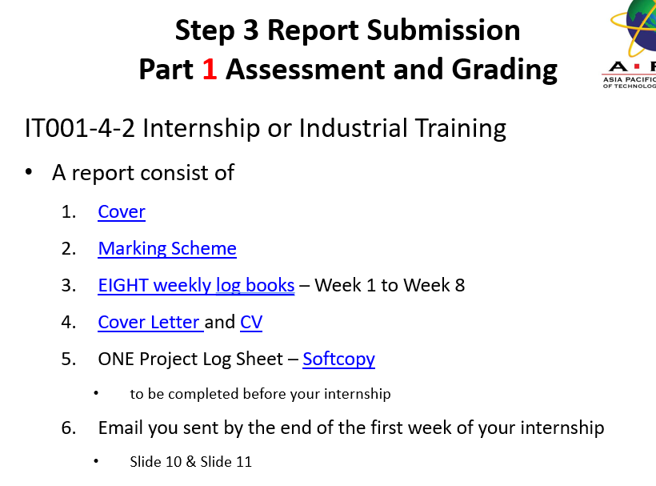
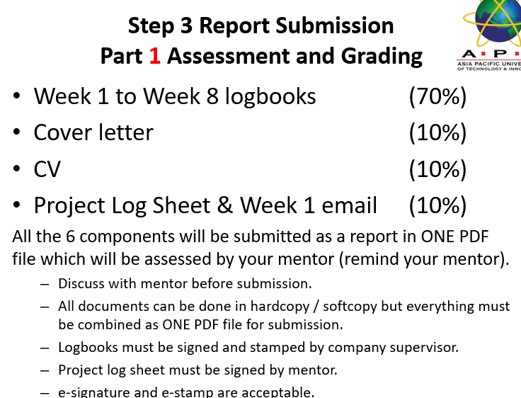
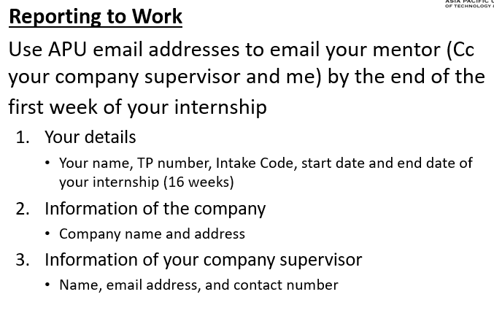
Part 1 Submission
Date | Progress | Content | Remarks
 | Done | CV
 |  | Cover letter
 |  | Project Log Sheet | Report after meeting with mentor
 |  | Week 1 Email | Email Supervisor & Company Details to mentor
 |  | Week 1 logbook
 |  | Week 2 logbook
 |  | Week 3 logbook
 |  | Week 4 logbook
 |  | Week 5 logbook
 |  | Week 6 logbook
 |  | Week 7 logbook
 |  | Week 8 logbook

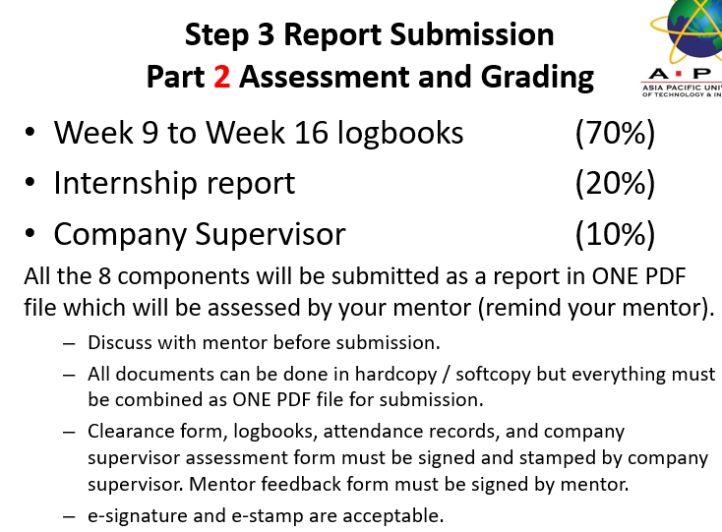
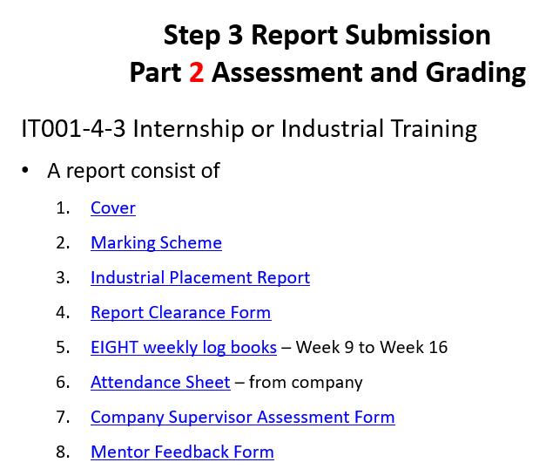
Part 2 Submission
Date | Progress | Content | Remarks
 |  | Cover
 |  | Making Scheme
 |  | Industrial Placement Report | Metor visits company during week 7 to week 9
 |  | Report Clearence Form
 |  | Attendance Sheet
 |  | Company Supervisor Assessmmet Form
 |  | Mentor Feedback Form
 |  | Week 9 logbook
 |  | Week 10 logbook
 |  | Week 11 logbook
 |  | Week 12 logbook
 |  | Week 13 logbook
 |  | Week 14 logbook
 |  | Week 15 logbook
 |  | Week 16 logbook

